1. Title Page
Instacart Grocery Basket Analysis

Project Name: Instacart Grocery Basket Analysis
Date: 10/1/2023
Analyst Name: Lisa Ward

Contents:
Population Flow
Consistency checks
Wrangling steps
Column derivations
Visualizations
Recommendations

Data Citation:
Customer data, as well as the "prices" data, were both fabricated for the purpose of this project.
“The Instacart Online Grocery Shopping Dataset 2017”, Accessed from www.instacart.com/datasets/grocery-shopping-2017 via Kaggle on [date].

2. Population Flow
Title page

Population flow

Exclusion flag
Condition: max_order < 5
Obervations to be removed: 2,233,435
Final total count of final_data_highactivity: 30,171,424

Orders_products_Prior_merged
orders_prior_products_combined.pkl
Main_dataset
Final_Dataset

Total: 32,434,489
Total: 32,434,489
Total: 30,171,424
Total: 21,121,346

1.) The grey boxes in the first row of the population flow represent the original data sets as they were when you downloaded them. In the Total fields you need to add the count of the rows when you imported the data set into Jupyter.
2.) The second row of boxes (coloured) represents the data sets after you manipulated them, e.g., removed missing values and duplicates. In the Total fields you need to add the count of the rows after conducting these operations. This offers a visual oveview of how the data flows throughout the data consistency checks.
3.) The third row, where also the arrows are coloured, represents the merges you performed between the datasets. In the Total fields you need to add the count of the rows in the merged datasets, so that you end up with the final dataset (in the red box). Keep in mind the final dataset should be without exclusions (based on the exclusion flag).

3. Consistency checks
 |  |  |  | Title page
Consistency checks

Dataset | Missing values | Missing values treatment | Duplicates
orders | 206209 missing values in 'days_since_prior_order | Imputed 0 values for the NaN values, so that the values tell us that a customer has made its first order. | None
products | 16 missing values in "product_name" | Dropped the rows with missing values | 5
products | Values in the "prices" column were considered outliers: $14,900 and $99,999. Imputted national average costs for items | imputted values for outliers and missing values
orders_products_prior | No missing values |  | none
customers | No missing values |  | none

4. Wrangling steps
 |  |  |  | Title page
Wrangling steps

Columns dropped | Columns renamed | Columns' type changed | Comment/Reason
"eval_set" |  |  | Data not needed, column deleted
"aisle_id" |  |  | Data not needed, column deleted

 |  | "order_id" to string | Order IDs are individual string values
 |  | "user_id" to string | User IDs are individual string values
 |  | "order_number" | Order #s are individual string values
Unnamed: 0 |  |  | Provided zero value to data
Unnamed: 0 |  |  | Provided zero value to data
Unnamed: 0 |  |  | Provided zero value to data
First Name |  |  | PII, column deleted
Surname |  |  | PII, column deleted

5. Column derivations
 |  |  |  | Title page

Column derivations and aggregations

In this tab you should add tables below that the frequences of flags/label variables that you produced after deriving them. NB: don't do this for continuous variables, only for flags.
Dataset | New column | Column/s it was derived from | Conditions
Main_dataset | order_activity | max_order | <5: Low Activity
 |  |  | >=5: High Activity
final_dataset | busiest_days | order_dow | 0 = 'Busiest day'
 |  |  | 4 = 'Least busy'
 |  |  | 1 = '2nd Busiest Day'
 |  |  | 3 = '2nd Least Busy Day'
final_dataset | busiest_period_of_day |  | value = [0, 1, 2, 3, 4, 5, 6, 23] : 'Fewest orders'
 |  |  | value = [ 9, 10, 11, 12, 13, 14, 15, 16]: 'Most orders'
 |  |  | else: 'Average orders'
final_dataset | max_order | order_number | Dataframe grouped by 'user_id' and 'order_number' transformed into maximum of 'order_number'
final_dataset | loyalty_flag | max_order | max_order > 40 : 'Loyal customer'
 |  |  | max_order <= 40 & > 10 : 'Regular customer',
 |  |  | max_order < 10: 'New customer'
final_dataset | avg_prices | prices | Dataframe grouped by 'user_id' and 'prices' transformed into mean of 'prices'
 | spender | avg_prices | avg_price >= 10: 'High spender'
 |  |  | avg_price < 10 : 'Low spender'
final_dataset | avg_freq | days_since_prior_order | DF grouped by 'user_id' and 'days_since_prior_order' transformed into average of 'days_since_prior_order'
final_dataset | order_freq | avg_freq | >20: 'Non-frequent customer'
 |  |  | <= 20 & >10: 'Regular customer'
 |  |  | <=10: 'Frequent customer'
final_dataset | price_range | prices | price <= 5 : 'Low range product'
 |  |  | price > 5 & <= 15 : 'Mid range product'
 |  |  | price > 15: 'High range product'
final_dataset | sum_per_order | user id, order id, prices | summed the total of each order per customer
final_dataset | average_sum_per_order | user id, sum_per_order | averaged all the orders per customer
customers | region | state | Northeast
 |  |  | South
 |  |  | Midwest
 |  |  | West using this site for grouping https://en.wikipedia.org/wiki/List_of_regions_of_the_United_States)
customers | family_profile | recoded_fam_status, age, n_dependants | family: Married, kids 1-3, Age 20-54
 |  |  | single parent family: single, kids 1-3, age 20-54
 |  |  | Young Single Professional: kids 0, age 20-39
 |  |  | Mature Single Professional: kids 0, age 40-64
 |  |  | senior: married or single, kids 1-3, age 65+
customers | income profile | income | Low income: 0-44999
 |  |  | Middle income: 45000-99999
 |  |  | Lower High Income: 100000-249999
 |  |  | Upper High Income: 250000-599999

6. Visualizations
 |  | Title page

Visualisations

In this tab you should include all the visualtions from Exercises 4.9 and 4.10, alongside the questions from the project brief that they answer. Include any commentary on the relationship between different variables.

1. What are the busiest days of the week and the busiest hours of the day?
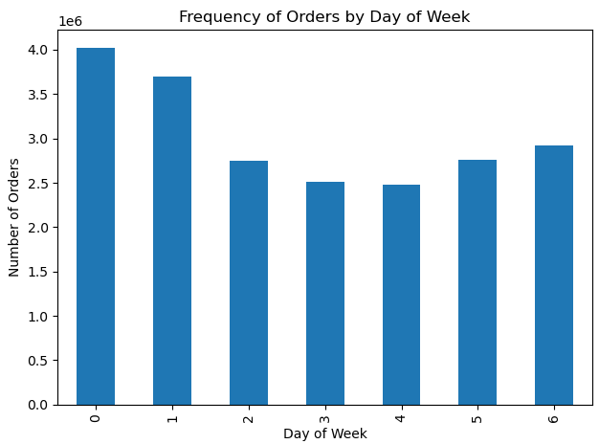

This bar chart shows the number of orders per day of the week.
The days are numbered like so:
0: Saturday
1: Sunday
2: Monday
3: Tuesday
4: Wednesday
5: Thursday
6: Friday
As you can see, Saturday and Sunday are the most busiest days followed by Friday. Wednesday is the day with the least amount of orders.

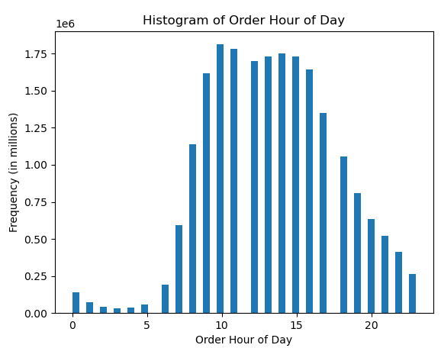

This chart provides the frequency of orders by hour of the day. The hours of the day are in standard military time.
The highest frequency of orders occur between 9am until 5pm. There is a steady drop from 6pm to the early hours of the morning.

2. Are there particular times of the day when people spend the most money?
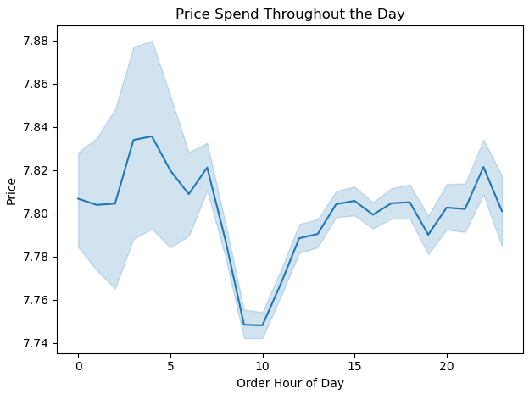

This line chart gives us a look at the prices throughout the day.
The highest price throughout the day peaks at $7.84 around 4 am. The lowest price appears between 8 and 9 am at $7.75.
The difference between the low and the high is about 1%.

The departments are numbered as followed:
1: Frozen
2: Other
3: Bakery
4: Produce
5: Alcohol
6: International
7: Beverages
8: Pets
9: Dry Goods Pasta
10: Bulk
11: Personal Care
12: Meat & Seafood
13: Pantry
14: Breakfast
15: Canned Goods
16: Dairy & Eggs
17: Household
18: Babies
19: Snacks
20: Deli
21: Missing
 | 3. Are there certain types of products that are more popular than others?
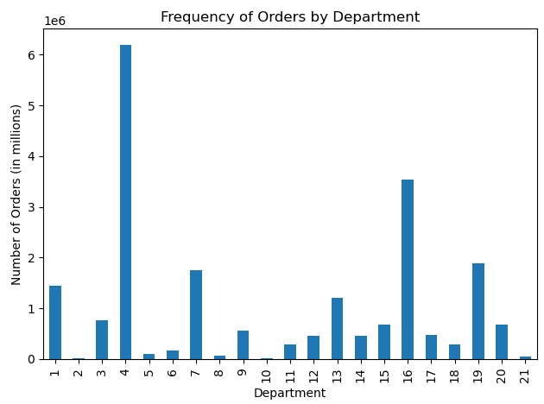

This chart shows the orders per department.
The most bought items are from the Produce department (4), followed by the Eggs/Dairy (16), Snacks (19), Beverages (7), and Frozen (1), and Pantry (13).

 | 4.1 What’s the distribution among users in regards to their brand loyalty (i.e., how often do they return to Instacart)?
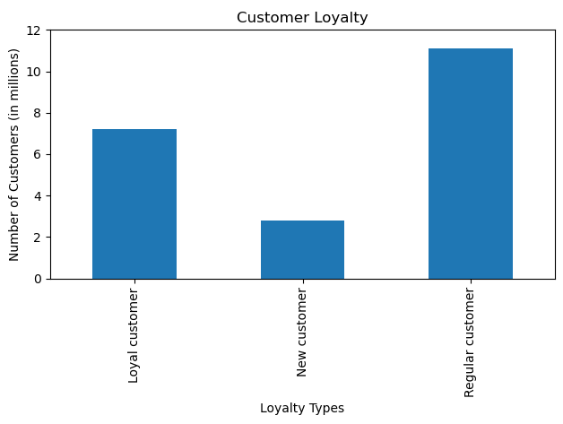

This chart shows the number of customers who fall into the below categories:
New Customers: 10 orders or less
Regular Customers: 10 to 40 orders
Loyal Customers: 40 or more orders

 | 4.2 Are there differences in ordering habits based on a customer’s loyalty status?
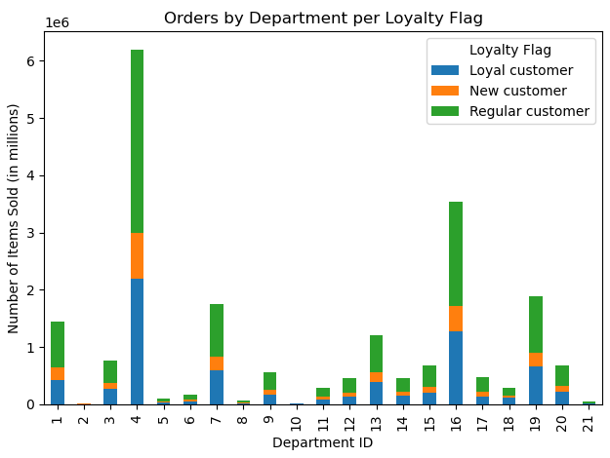

The stacked bar chart shows the order frequency per Department by Loyalty Flag.
Regular customers make up the brunt of the orders followed by Loyal customers. It appears that Regular customers buy more from every department compared to the Loyal and New customers. The most items are bought from the Produce department (4), followed by Dairy & Eggs (16), Snacks (19), Beverages (7) and Frozen (1).

The departments are numbered as followed:
1: Frozen
2: Other
3: Bakery
4: Produce
5: Alcohol
6: International
7: Beverages
8: Pets
9: Dry Goods Pasta
10: Bulk
11: Personal Care
12: Meat & Seafood
13: Pantry
14: Breakfast
15: Canned Goods
16: Dairy & Eggs
17: Household
18: Babies
19: Snacks
20: Deli
21: Missing

 | 4.3 Are there differences in ordering habits based on a customer’s region?
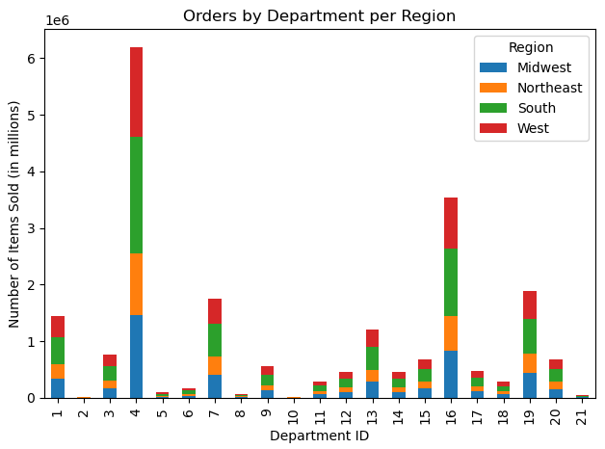

This chart shows the orders per department by Region. It appears that the South has more items bought per department than all other Regions. However, the general concensus is the most items are bought from Departments 4 (produce), Dairy & Eggs (16), Snacks (19), Beverages (7), and Frozen (1).
There doesn't appear to be differences in ordering habits based on the customer's Region.

 | 4.4 Is there a connection between age and family status in terms of ordering habits?

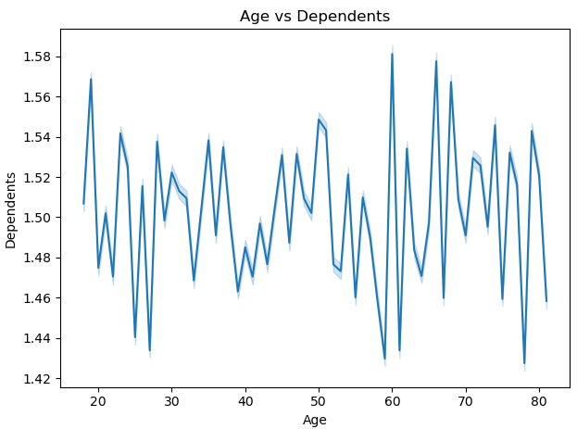

This line chart shows the relationship between Age and number of Dependants.
Per the graph there is no relationship to be found between the two variables.

 | 4.5 What different classifications does the demographic information suggest? Age? Income? Certain types of goods? Family status?
 | 4.6 What differences can you find in ordering habits of different customer profiles?
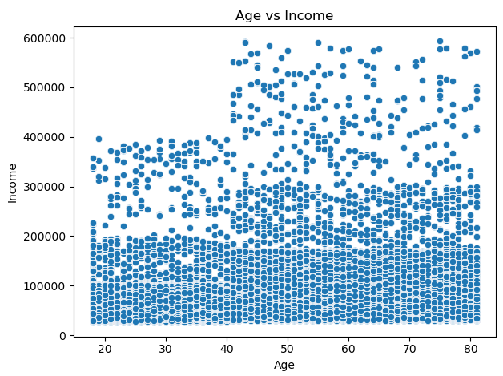

This scatter plot shows the distribution of income over age. There is higher concentration of customers between the ages of 18 to 99 that fall into the income range between $0 and $100k. From the age range 40 to 99 the concenentration becomes denser from $0k to $300k. Also, at the age of 40 we see more customers with higher incomes from $200k to $600k.
As you can tell by the chart, those with higher spending power are aged 40 and over.

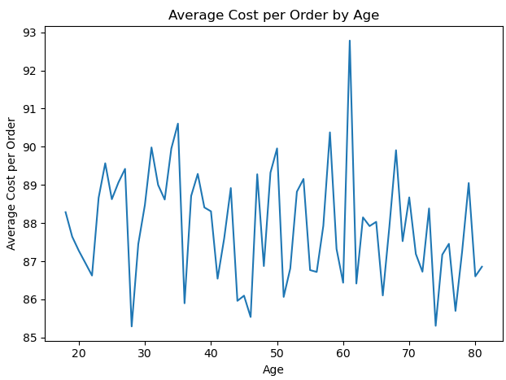

This line graph shows age and the average cost of an order. There is no relationship between age and amount of money spent on grocery orders.
It would seem from the scatter plot above showing those aged 40 and over having higher spending power, however, it doesn't reflect in this line graph. The peak of this chart shows those aged about 61-62 have the highest coming in with an average of $93 an order. We don't see a marked increase in average cost of order starting with those aged 40 and up.

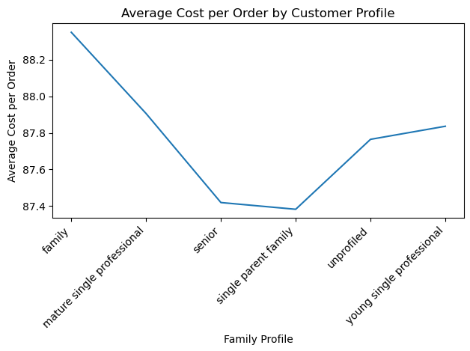

This line graph shows the average cost of orders by Customer Profile. The highest average cost belongs to those that are Families, followed by Young Single Professionals. Single Parent Families have the lowest average cost per order.

Family Profile
Married
Kids: 1-3
Age: 20-54
Single Parent Family
Kids: 1-3
Age: 20-54
Young Single Professional
Kids: 0
Age: 20 - 39
Mature Single Professional
Kids: 0
Age: 40-64
Senior
Married or Single
Dependents: 1-3
Age: 65+
Income Profile
Low Income: < $44,999
Middle Income: $45,000 - $99,999
Lower High Income: $100,000 - $249,999
Upper High Income: $250,000+

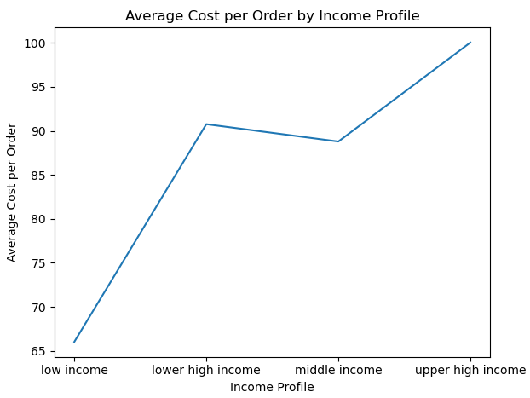

This line graph shows the average cost of orders by Income status. The highest average cost belongs to those that are considered Upper High Income, followed by Lower High Income. The lowest average cost per order belongs to those with low income.

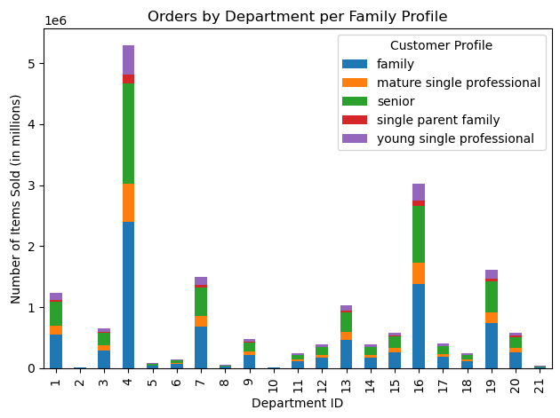
The departments are numbered as followed:
1: Frozen
2: Other
3: Bakery
4: Produce
5: Alcohol
6: International
7: Beverages
8: Pets
9: Dry Goods Pasta
10: Bulk
11: Personal Care
12: Meat & Seafood
13: Pantry
14: Breakfast
15: Canned Goods
16: Dairy & Eggs
17: Household
18: Babies
19: Snacks
20: Deli
21: Missing

As you can see in this chart Families have the highest count of products order per department, followed by Senior customers.

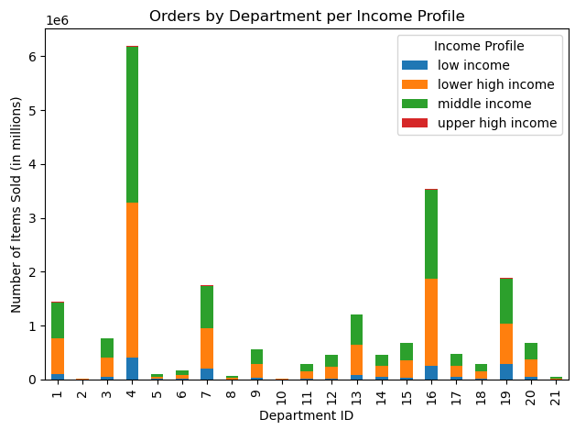

In this graph we have a stacked bar chart showing the frequency of orders per Income Profile.
Per the graph, those with Middle Income have the higher frequency of orders among all income groups.
The age groups that have the lowest frequency of orders are those in the Upper High Income group. This is partly due to the fact that those with Upper High Income have low numbers amongst all of the Income Profiles.

Family Profile
Married
Kids: 1-3
Age: 20-54
Single Parent Family
Kids: 1-3
Age: 20-54
Young Single Professional
Kids: 0
Age: 20 - 39
Mature Single Professional
Kids: 0
Age: 40-64
Senior
Married or Single
Dependents: 1-3
Age: 65+
Income Profile
Low Income: < $44,999
Middle Income: $45,000 - $99,999
Lower High Income: $100,000 - $249,999
Upper High Income: $250,000+

7. Recommendations
 |  | Title page

Recommendations

In this tab you should include any recommendations you would made to Instcart in terms of their marketing strategy based on the questions posed in the brief. Every key question has been covered in the Tasks of the Exercises - here you need to add an item - a visualization or table/cross table that is showing the answer in the data, accompanied by a comment from you. Please, list the questions below and add the answer underneath.

Question | Answer
Key Question 1 | The busiest day of the week for orders are Saturday, Sunday, and Friday. The busiest time of the day for orders is between 9am and 5pm. To increase revenue, ads should be placed Monday through Thursday between the hours of 9am and 5pm.

Key Question 2 | The times of day that customers spend the most money is between 2am-7am and 8pm-12am. The time during the day were the average cost of an order is lowest is between 8am-10am. Ads for higher priced products should be shown between the hours of 7am and 10am.

Key Question 3 | The departments with the highest frequency of orders is produce (4), dairy & eggs (16), snacks (19), beverages (7), frozen (1), and pantry (13). These departments make up the staple of a household's food needs. Advertising for products from different departments could lead to more revenue. For instance showing recipes of different cultures and advertising sales on ingredients in the international department.

Key Question 4 | Loyal customers with 40 or more orders make up 33% of customers, Regular customers with 10 to 40 orders make up 52%, and New customers with 10 or below orders amount to 15%. It appears that Regular customers buy more from every department compared to the Loyal and New customers. Beginning a Rewards and/Loyalty Program can increase customer retention and use of service. Advertising for products in the 6 major departments should increase on frequently bought items and should be geared toward each customer personally.

The departments are numbered as followed:
1: Frozen
2: Other
3: Bakery
4: Produce
5: Alcohol
6: International
7: Beverages
8: Pets
9: Dry Goods Pasta
10: Bulk
11: Personal Care
12: Meat & Seafood
13: Pantry
14: Breakfast
15: Canned Goods
16: Dairy & Eggs
17: Household
18: Babies
19: Snacks
20: Deli
21: Missing

Key Question 5 | The ordering habits are about the same between all regions, however, the south has the largest share of products ordered per department followed by the West and Midwest. As a recommendation, more advertisements need to be geared towards the northeast as it has little showing in the graph. Research should be done on competition and lifestyle to determine why there is little representation in that region.

Key Question 6 | The scatter plot below, you can see income is more densely grouped between $0k amd $100k from 18-40 year olds. For those aged 40 and over income increases and becomes more densely populated from $100k to $300k. The highest incomes appear only after 40. This gives us insight into the spending power of our customers. It should follow that those over 40 have the highest spending power. In the third graph we see the average cost of an order by age. Surprisingly, it seems the average cost of orders maintain their fluctuation throughout ages with a highest peak at about 61 years old. Knowing where the spending power is, we can use this to our advantage and advertise premium brands to those aged 40 and over.

Family Profile
Married
Kids: 1-3
Age: 20-54
Single Parent Family
Kids: 1-3
Age: 20-54
Young Single Professional
Kids: 0
Age: 20 - 39
Mature Single Professional
Kids: 0
Age: 40-64
Senior
Married or Single
Dependents: 1-3
Age: 65+
Income Profile
Low Income: < $44,999
Middle Income: $45,000 - $99,999
Lower High Income: $100,000 - $249,999
Upper High Income: $250,000+

Key Question 7 | Surprisingly, there is not a big difference in the types of products purchased among the customer profiles. They all purchase products from the 6 major departments the most. The average cost of orders between the customer profiles doesn't vary by much. Advertizements should be added to each customer depending on the profiles that they fall into. Single Parent Families, that fall into Low Income profile might benefit from family size frozen meals while a Senior that falls into the Upper High Income might benefit from buying premium brand items from the international department.

The departments are numbered as followed:
1: Frozen
2: Other
3: Bakery
4: Produce
5: Alcohol
6: International
7: Beverages
8: Pets
9: Dry Goods Pasta
10: Bulk
11: Personal Care
12: Meat & Seafood
13: Pantry
14: Breakfast
15: Canned Goods
16: Dairy & Eggs
17: Household
18: Babies
19: Snacks
20: Deli
21: Missing

